Sheet1
ItemNo | Description | Quantity | Org Price | Discount By Promotion | Unit Price | Discount By Contract | Price After Discount | Total | TaxCode | Tax Rate
 |  |  |  | (so tien) |  | (Phan tram) |  |  |  | an cot nay
ITM012 | abc | 3 | 15,000 | 5,000 | 10,000 | 3.5 | 9,650 | 28,950 | S1 | 10
 |  |  |  |  | =D - E |  | =F*(100-G)/100 | =H*C

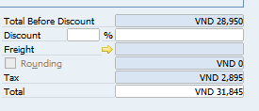
 |  |  |  |  |  | Total Before Discount | =sum(cot I) | A
 |  |  |  |  |  | Discount

 |  |  |  |  |  | Tax | =sum(cot I * cot K)/100 | B
 |  |  |  |  |  | Total | =A + B

